1.jpg
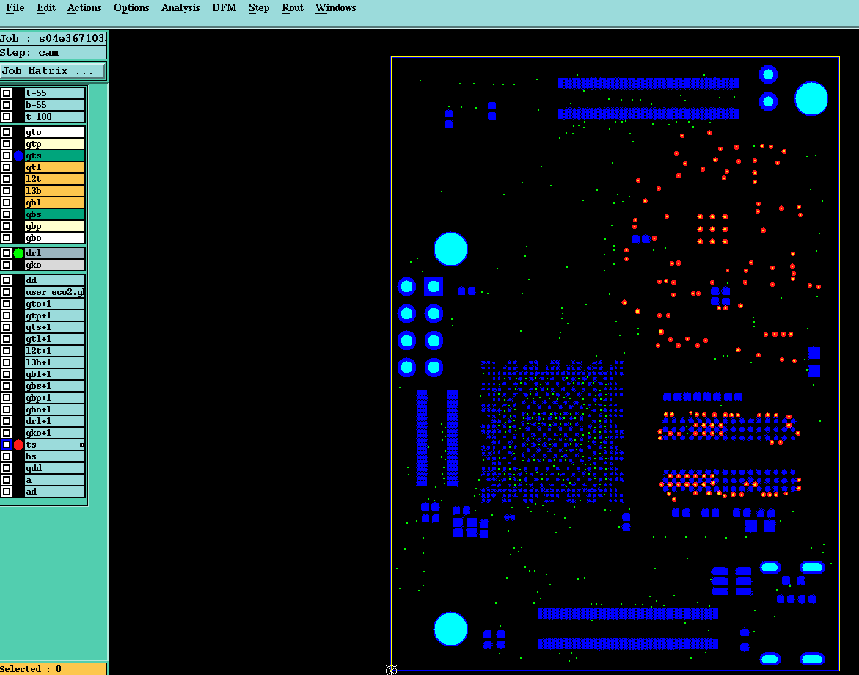
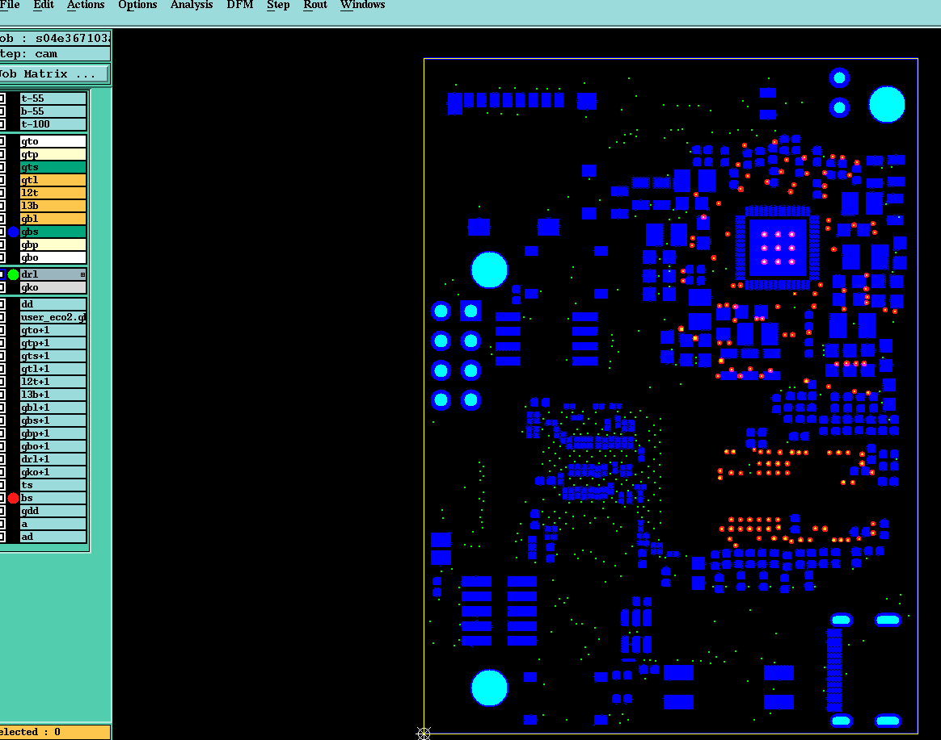
返回（Return） EQs

2.jpg
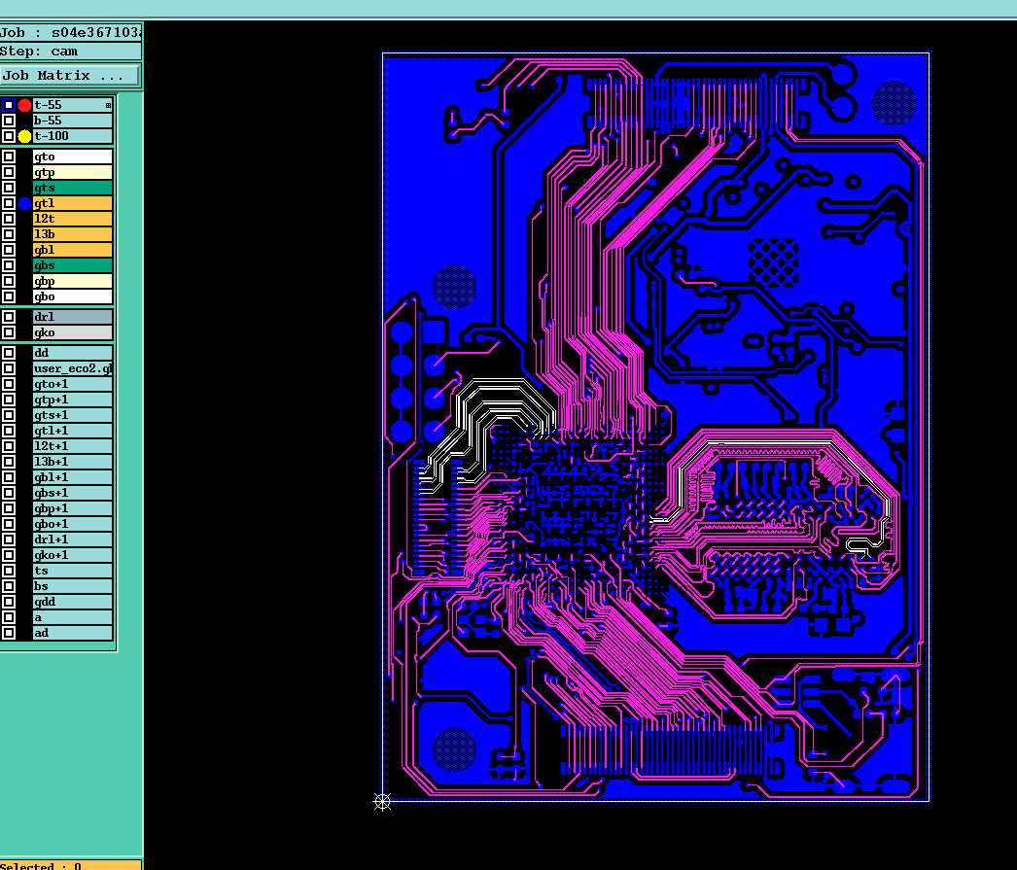
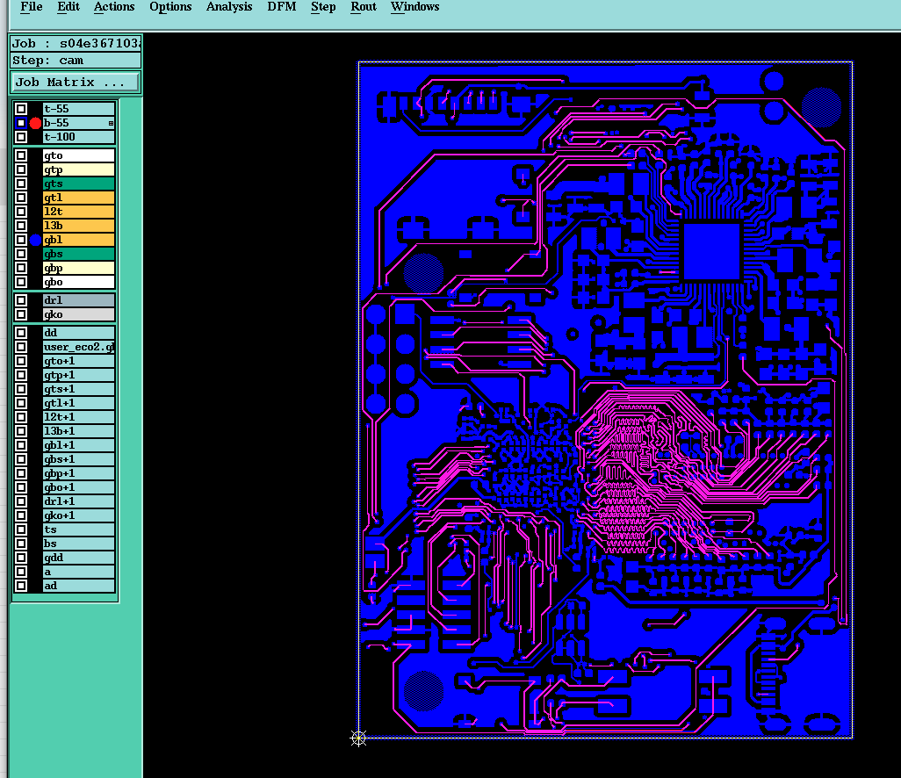
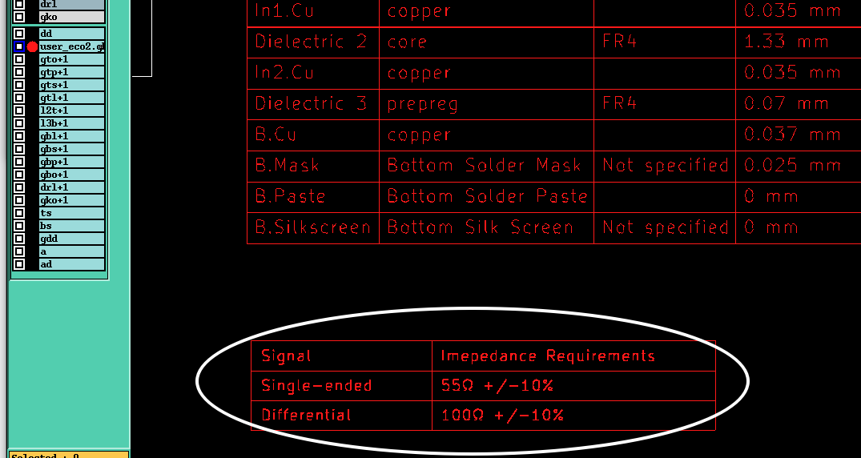
返回（Return） EQs | 贵司要求

3.jpg
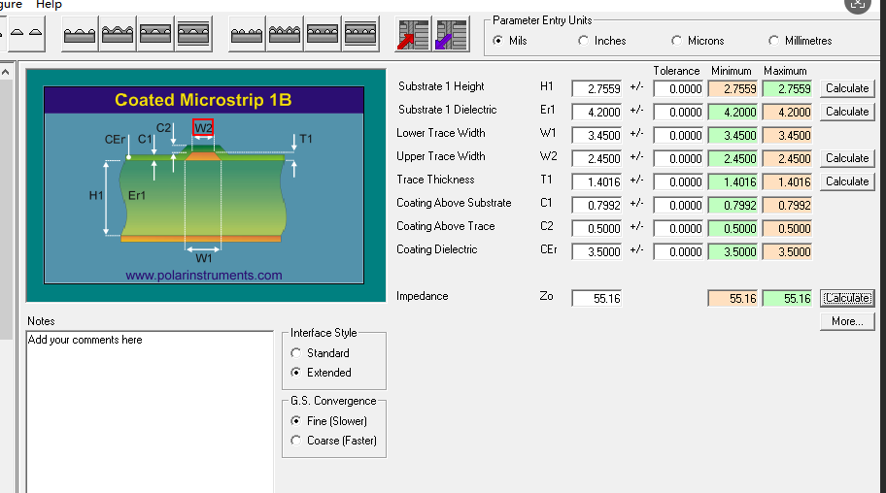
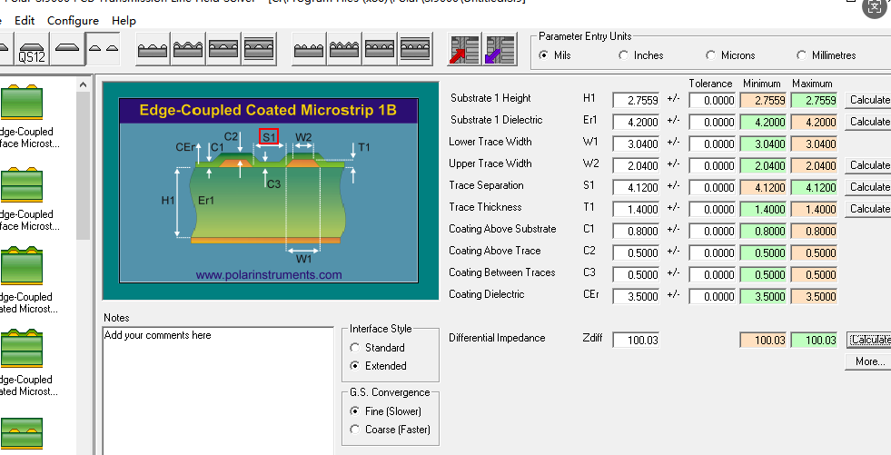
返回（Return） EQs | 贵司要求 | 我司压合结构：压合厚度按1.5+/-0.1mm,压合铜厚按 Hoz，成品板厚按1.6+/-0.16mm管控，

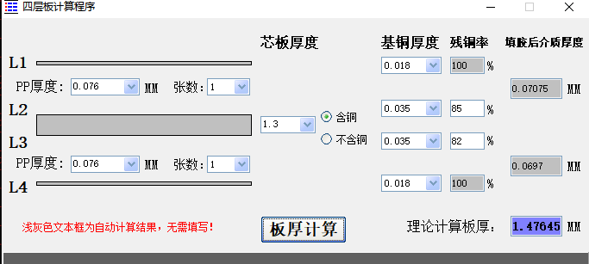
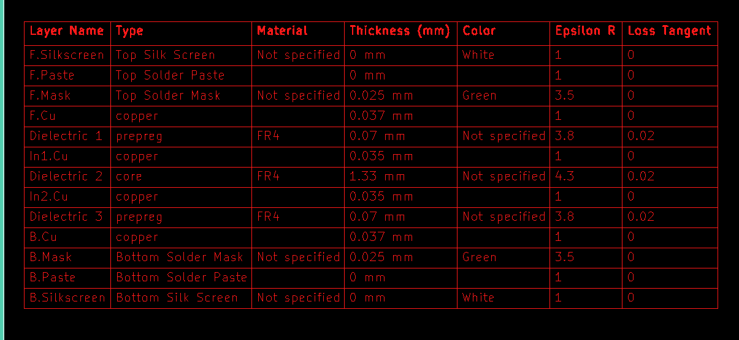

 |  |  | 阻抗调整

4.jpg
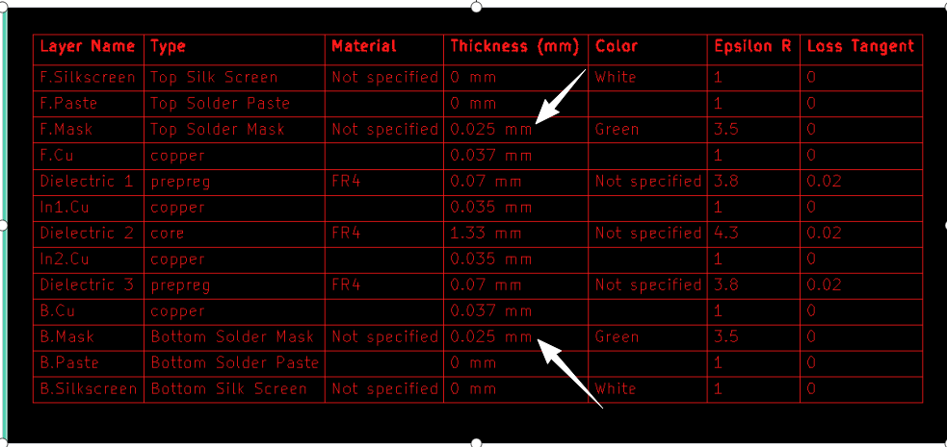
返回（Return） EQs

6.jpg
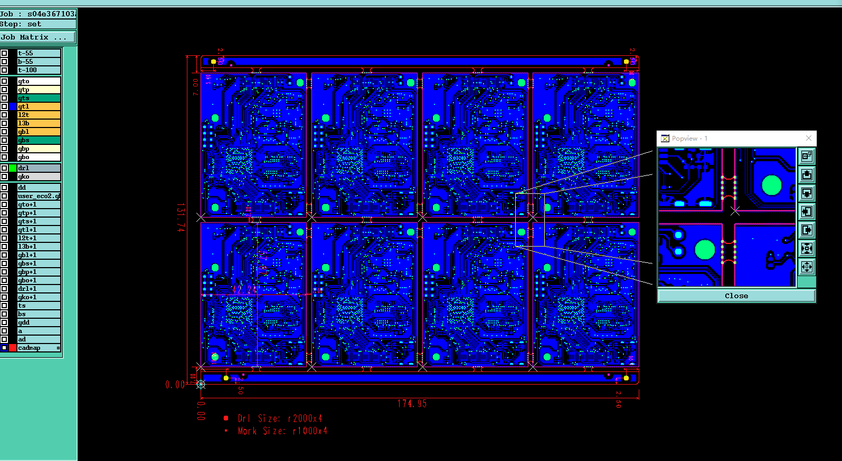
返回（Return） EQs

